Hardcover drawing
Hardcover drawing

Hard cover image wrap calculation

Fill in mm => | 203 | mm (Width book block/ finished size)
 | 254 | mm (Height book block/ finished size)
 | 6.76 | mm (Width spine stroke)
 | 3 | mm bleed
 |  | *See part# for spine width. Depends on page range
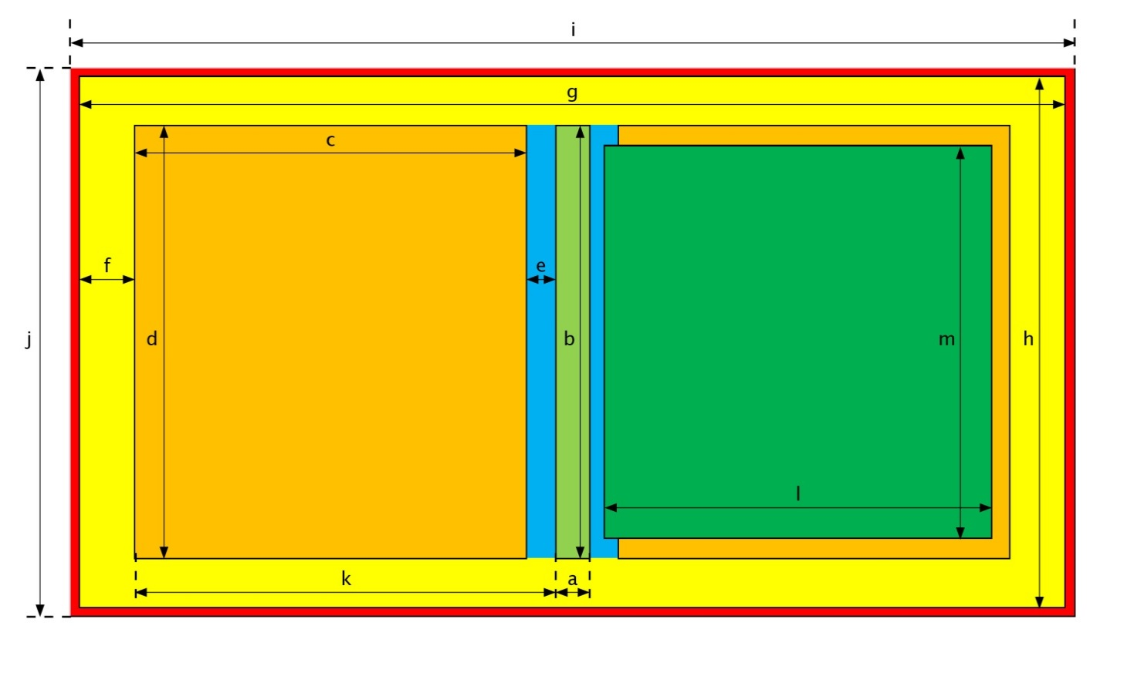

 | Sizes |  | in mm | in inch
 | a | Width spine stroke* | 6.76 | 0.266
 | b | Height spine stroke | 260.00 | 10.24
 | c | Width front and back cover | 199.00 | 7.83
 | d | Height front and back cover | 260.00 | 10.24
 | e | Hinch | 11.00 | 0.43
 | f | Size wrap | 20.00 | 0.79

 | g | Total width cover incl. wrap excl. bleed | 466.76 | 18.38
 | h | Total height cover incl. wrap excl. bleed | 300.00 | 11.81

 | i | Total width cover incl. wrap incl. Bleed | 472.76 | 18.61
 | j | Total height cover incl. wrap incl. bleed | 306.00 | 12.05

 | k | Width front and back incl hinch | 210.00 | 8.27

 | l | Width book block (finished size) | 203.00 | 7.99
 | m | Height book block (finished size) | 254.00 | 10.00

 |  | Width book block incl. bleed | 209.00 | 8.23
 |  | Height book block incl. bleed | 260.00 | 10.24

 | Board material:
 | Front/Back | Board thickness | 2.50 | 0.10
 | Spine stroke | Board thickness | 2.50 | 0.10

 | Bleed |  | 3.0 | 0.125

